Methodology
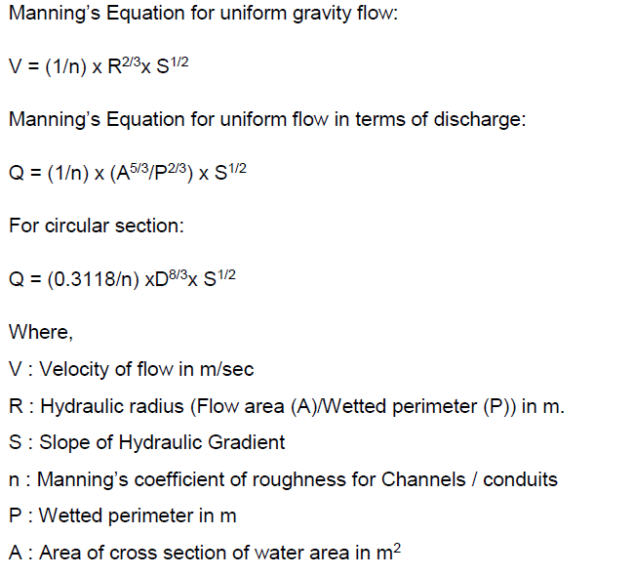
PROJECT TITLE:

SUBJECT: |  | Storm water Design |  |  |  |  |  | PAGE NO:
 |  |  |  |  |  |  | -
PROJECT NO: |  |  |  |  |  | FILE REF: |  | REV:

PREPARED BY: |  |  |  |  |  | DATE: |  | REV DATE:

CHECKED BY: |  |  |  |  |  | DATE:

(SEE CALC PAGE NO |  |  | - |  |  | FOR ALTERNATIVE CALCULATIONS) |  |  | C a l c u l a t i o n s

REF.

 | 1 | Functional Requirements
 |  | The development area boundary is the key factor for working out all the requirements of the storm water
 |  | drainage. The development plan of project area is studied to identify the magnitude of services required
 |  | and land use also decides the development of drainage network.
 |  |  | For storm water drainage system, considerations included are;-
 |  |  | 1. Rainfall Intensity
 |  |  | 2. Rational Method is used for determination or estimation of storm water run-off;
 |  |  | 3. Traditional trench are porposed to all container areas and building areas. Pipe conduits are proposed at outfall -
 |  |  | location (which includes pipe connection from Oil sepeartors to flap valve at outlet )
 |  |  | 4. Hume pipe/ box culvert is proposed wherever roads are crossing .

 | A | Design computations of storm channels/conduits are given as follows :
 |  |  | Reynold's number
 |  |  | For open channel flow of any cross section :
 |  |  | Re = VR/ v

 |  |  | For flow in pipe of diameter D :
 |  |  | Re = VD/ v
 |  | Where ,
 |  | Re | = | Reynold's Number (dimensionless)
 |  | V | = | Cross sectional mean velocity in m/sec
 |  | D | = | diamenter of pipe
 |  | R | = | Hydroulic Radius (A/P) in m
 |  | v | = | Kinematic viscosity in m2/sec
 |  | P | = | wetted perimeter in m

 |  | For Open Channel flow, is Laminar when Re <-500
 |  |  |  |  | Turbulant when Re > 1000

 |  | for Pipe flow, is Laminar when Re <-2000
 |  |  |  |  | Turbulant when Re >- 4000

 | B | Design velocities to be ensured in gravity storm channels:
 |  | Minimum velocity = 0.6m/s
 |  | Maximum velocity = 3 m/s

 | C | Freeboard in open channels
 |  | Freeboard shall be sufficient to prevent waves, super elevation changes, or fluctuations in water surface from overflowing the sides
 |  | Minimum free board for open channels shall be considered as 100 mm.
 |  | For storm conduits , freeboard is not defined as they are supposed to run full.

 | D | Rational Method
 |  | The rational method is widely used for design of storm drainage systems. For design of drainage system,
 |  | it is given by the following expression,
 |  |  | Q = CIA
 |  |  | Where,
 |  |  | k is conversion factor
 |  |  | Q | is maximum flow/ maximum rate of run off (CFS)
 |  |  | C | is the runoff Coefficient
 |  |  | I is the Intensity of rainfall in inch/hr, and
 |  |  | A | is the catchment of the area under consideration in Acres.

 |  | The above expression indicates the rate of storm water runoff is directly proportional to the intensity of rainfall against the period
 |  | of maximum storm of a given frequency.

 | E | Design Formula
 |  | The hydraulic design of storm water system will be done in house developed excel based software using
 |  | Manning’s formula

Design - Storm water Drains
Project Title |  |  |  |  |  |  |  |  |  |  |  |  |  |  |  |  |  |  |  |  |  |  |  |  |  |  |  | 
Appendix - 1
Storm water network calculations
Traditional storm trench sizing :-
REV-01 | Dated :
Discharge Required |  |  |  |  |  |  |  |  |  | Proposed Drains |  |  |  |  |  |  |  |  |  |  |  |  | Design Check/Proposed |  | Ground levels |  |  | Invert Level |  |  | Chamber Details
S.No. | Start Node | End Node | Location/Area | Length (m) | Catchment Area (sq. m) | Catchment Area (Ha) | Coefficient ( C ) | Rainfall Intensity (mm/Hr) | Discharge (m3/sec) | W - Width (m) | D - Depth (m) | Free Borad (m) | Effective Depth (m) | Effective Area (A) (Sqm) | Wetted perimeter (P) | Gradient 1 in | Slope/Gradient | R = A / P | Maning's "n" | 1/n | Carrying Capacity (m3/sec) | Check for carrying Capacity | Velocity (m/sec) | Check for Velocity | Start (m) | End (m) | Drain cover depth (m) | Drop (m) | Start (m) | End (m) | Chamber No | Dimensions | Chamber depth (To be rounded to nearest value)
1 |  |  |  | 113.5 | 3095 | 0.31 | 0.95 | 50 | 0.041 | 0.40 | 0.40 | 0.10 | 0.30 | 0.12 | 1.00 | 1000.00 | 0.0010 | 0.12 | 0.013 | 76.92 | 0.071 | TRUE | 0.592 | FALSE |  |  | 0.15 | 0.114 | -0.55 | -0.66 |  |  | 0.66
 |  |  |  | 114.5 | 3095 | 0.31 | 0.95 | 50 | 0.041 | 0.40 | 0.40 | 0.10 | 0.30 | 0.12 | 1.00 | 1000.00 | 0.0010 | 0.12 | 1.013 | 0.99 | 0.001 | FALSE | 0.008 | FALSE |  |  | 1.15

Design-HDPE pipe
Project Title
Appendix - 1
Storm water network calculation - Pipe Sizing
HDPE Pipe sizing :-
REV-01 | Dated :
Discharge & Pipe size ( outfall) Required** |  |  |  |  |  |  |  |  |  |  |  |  |  |  |  |  | Check for Velocity
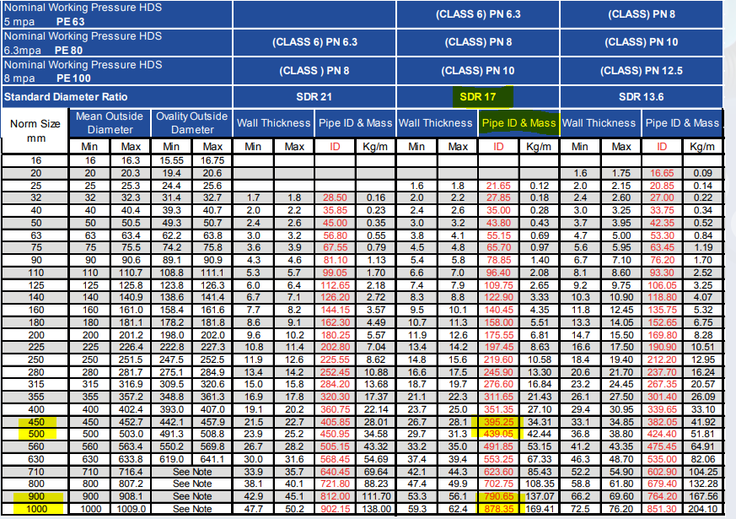
Sr. No. | Start Node | End Node | Length (m) | Location/Area | Catchment Area (Ha) | Coefficient ( C ) | Rainfall Intensity (mm/Hr) | Discharge Q (m3/sec) | Slope (1 in ___) | Slope (S) | Slope (S^0.50) | Manning's N for HDPE Pipe | Dia of Pipe (m) | Dia of Pipe (mm) | Velocity (m/sec) | Dia of pipe Proposed (m) | 1/n | Velocity (m/sec) | Status

1 |  |  |  | Out Fall 01 & 01A |  |  |  | 0.0000 |  | #DIV/0! | #DIV/0! | 0.0090 | #DIV/0! | #DIV/0! | #DIV/0! |  | 111.11 | #DIV/0! | #DIV/0!
2 |  |  |  |  |  |  |  | 0.0000 |  | #DIV/0! | #DIV/0! | 0.0090 | #DIV/0! | #DIV/0! | #DIV/0! |  | 111.11 | #DIV/0! | #DIV/0!
3 |  |  |  |  |  |  |  | 0.0000 |  | #DIV/0! | #DIV/0! | 0.0090 | #DIV/0! | #DIV/0! | #DIV/0! |  | 111.11 | #DIV/0! | #DIV/0!
4 |  |  |  |  |  |  |  | 0.0000 |  | #DIV/0! | #DIV/0! | 0.0090 | #DIV/0! | #DIV/0! | #DIV/0! |  | 111.11 | #DIV/0! | #DIV/0!
5 |  |  |  |  |  |  |  | 0.0000 |  | #DIV/0! | #DIV/0! | 0.0090 | #DIV/0! | #DIV/0! | #DIV/0! |  | 111.11 | #DIV/0! | #DIV/0!
6 |  |  |  |  |  |  |  | 0.0000 |  | #DIV/0! | #DIV/0! | 0.0090 | #DIV/0! | #DIV/0! | #DIV/0! |  | 111.11 | #DIV/0! | #DIV/0!
7 |  |  |  |  |  |  |  | 0.0000 |  | #DIV/0! | #DIV/0! | 0.0090 | #DIV/0! | #DIV/0! | #DIV/0! |  | 111.11 | #DIV/0! | #DIV/0!
8 |  |  |  |  |  |  |  | 0.0000 |  | #DIV/0! | #DIV/0! | 0.0090 | #DIV/0! | #DIV/0! | #DIV/0! |  | 111.11 | #DIV/0! | #DIV/0!
9 |  |  |  |  |  |  |  | 0.0000 |  | #DIV/0! | #DIV/0! | 0.0090 | #DIV/0! | #DIV/0! | #DIV/0! |  | 111.11 | #DIV/0! | #DIV/0!
10 |  |  |  |  |  |  |  | 0.0000 |  | #DIV/0! | #DIV/0! | 0.0090 | #DIV/0! | #DIV/0! | #DIV/0! |  | 111.11 | #DIV/0! | #DIV/0!
11 |  |  |  |  |  |  |  | 0.0000 |  | #DIV/0! | #DIV/0! | 0.0090 | #DIV/0! | #DIV/0! | #DIV/0! |  | 111.11 | #DIV/0! | #DIV/0!
12 |  |  |  |  |  |  |  | 0.0000 |  | #DIV/0! | #DIV/0! | 0.0090 | #DIV/0! | #DIV/0! | #DIV/0! |  | 111.11 | #DIV/0! | #DIV/0!
13 |  |  |  |  |  |  |  | 0.0000 |  | #DIV/0! | #DIV/0! | 0.0090 | #DIV/0! | #DIV/0! | #DIV/0! |  | 111.11 | #DIV/0! | #DIV/0!
14 |  |  |  |  |  |  |  | 0.0000 |  | #DIV/0! | #DIV/0! | 0.0090 | #DIV/0! | #DIV/0! | #DIV/0! |  | 111.11 | #DIV/0! | #DIV/0!

15 |  |  |  | Out Fall 02, 02A & 02B |  |  |  | 0.0000 |  | #DIV/0! | #DIV/0! | 0.0090 | #DIV/0! | #DIV/0! | #DIV/0! |  | 111.11 | #DIV/0! | #DIV/0!
16 |  |  |  |  |  |  |  | 0.0000 |  | #DIV/0! | #DIV/0! | 0.0090 | #DIV/0! | #DIV/0! | #DIV/0! |  | 111.11 | #DIV/0! | #DIV/0!
17 |  |  |  |  |  |  |  | 0.0000 |  | #DIV/0! | #DIV/0! | 0.0090 | #DIV/0! | #DIV/0! | #DIV/0! |  | 111.11 | #DIV/0! | #DIV/0!
18 |  |  |  |  |  |  |  | 0.0000 |  | #DIV/0! | #DIV/0! | 0.0090 | #DIV/0! | #DIV/0! | #DIV/0! |  | 111.11 | #DIV/0! | #DIV/0!
19 |  |  |  |  |  |  |  | 0.0000 |  | #DIV/0! | #DIV/0! | 0.0090 | #DIV/0! | #DIV/0! | #DIV/0! |  | 111.11 | #DIV/0! | #DIV/0!
20 |  |  |  |  |  |  |  | 0.0000 |  | #DIV/0! | #DIV/0! | 0.0090 | #DIV/0! | #DIV/0! | #DIV/0! |  | 111.11 | #DIV/0! | #DIV/0!

21 |  |  |  | Out Fall 03 |  |  |  | 0.0000 |  | #DIV/0! | #DIV/0! | 0.0090 | #DIV/0! | #DIV/0! | #DIV/0! |  | 111.11 | #DIV/0! | #DIV/0!
22 |  |  |  |  |  |  |  | 0.0000 |  | #DIV/0! | #DIV/0! | 0.0090 | #DIV/0! | #DIV/0! | #DIV/0! |  | 111.11 | #DIV/0! | #DIV/0!
23 |  |  |  |  |  |  |  | 0.0000 |  | #DIV/0! | #DIV/0! | 0.0090 | #DIV/0! | #DIV/0! | #DIV/0! |  | 111.11 | #DIV/0! | #DIV/0!
24 |  |  |  |  |  |  |  | 0.0000 |  | #DIV/0! | #DIV/0! | 0.0090 | #DIV/0! | #DIV/0! | #DIV/0! |  | 111.11 | #DIV/0! | #DIV/0!
25 |  |  |  |  |  |  |  | 0.0000 |  | #DIV/0! | #DIV/0! | 0.0090 | #DIV/0! | #DIV/0! | #DIV/0! |  | 111.11 | #DIV/0! | #DIV/0!
26 |  |  |  |  |  |  |  | 0.0000 |  | #DIV/0! | #DIV/0! | 0.0090 | #DIV/0! | #DIV/0! | #DIV/0! |  | 111.11 | #DIV/0! | #DIV/0!
27 |  |  |  |  |  |  |  | 0.0000 |  | #DIV/0! | #DIV/0! | 0.0090 | #DIV/0! | #DIV/0! | #DIV/0! |  | 111.11 | #DIV/0! | #DIV/0!
28 |  |  |  |  |  |  |  | 0.0000 |  | #DIV/0! | #DIV/0! | 0.0090 | #DIV/0! | #DIV/0! | #DIV/0! |  | 111.11 | #DIV/0! | #DIV/0!

29 |  |  |  | Out Fall 04 |  |  |  | 0.0000 |  | #DIV/0! | #DIV/0! | 0.0090 | #DIV/0! | #DIV/0! | #DIV/0! |  | 111.11 | #DIV/0! | #DIV/0!
30 |  |  |  |  |  |  |  | 0.0000 |  | #DIV/0! | #DIV/0! | 0.0090 | #DIV/0! | #DIV/0! | #DIV/0! |  | 111.11 | #DIV/0! | #DIV/0!

NOTE : ** | The storm design calculations mentioned above are formulated from the concept design to estimate preliminary trench/pipe sizes and quantify the stormwater networks and accessories.
 | Therefore, the Contractor will need to revise all the aforementioned details and calculations during the detailed design stage to meet the actual requirements of the storm network system.

info
